diadora
Photo | Article | Model | UK | 3 | 3.5 | 4 | 4.5 | 5 | 5.5 | 6 | 6.5 | 7.5 | 8 | 8.5 | 9 | 9.5 | 10 | 10.5 | 11.5 | Total | RRP/UVP
 | 201.174391-45056 | Diadora Heritage Koala Blueberry Red Women |  | 2 | 47 | 28 | 105 | 88 | 73 | 80 | 49 | 18 |  |  |  |  |  |  |  | 490 | € 100.00 | 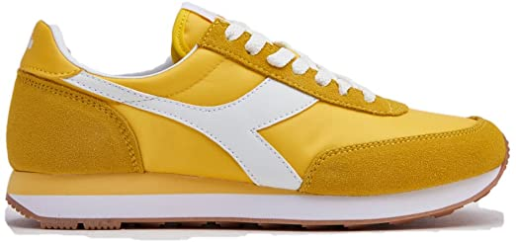
 | 201.173954-35021 | Diadora Heritage Koala Poplar Yellow Unisex |  |  | 42 | 45 | 95 | 101 | 79 | 94 | 64 | 58 | 34 | 14 | 32 | 9 | 3 | 21 | 20 | 711 | € 100.00
 | 201.173954-55052 | Diadora Heritage Koala Purple Rasberry Womnen |  |  | 60 | 29 | 107 | 106 | 92 | 116 | 51 | 30 |  |  |  |  |  |  |  | 591 | € 100.00 | 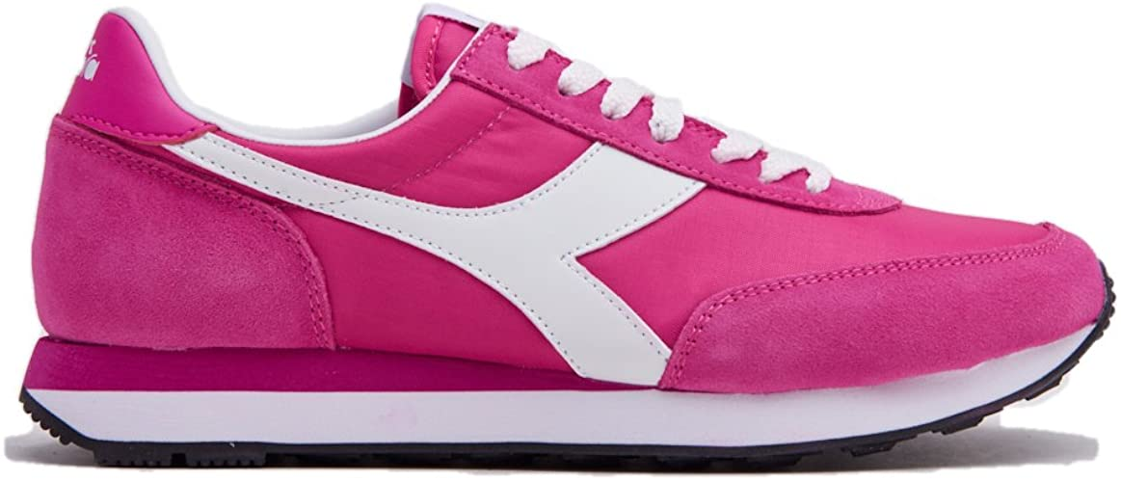
 | 201.173954-70105 | Diadora Heritage Koala Green Ocean Wave Women |  |  | 1 |  | 2 |  |  |  | 13 | 21 |  |  |  |  |  |  |  | 37 | € 100.00
 | 201.174391-55087 | Diadora Heritage Koala Purple Porte Royale Women |  | 2 | 29 | 28 | 69 | 53 | 44 | 53 | 27 | 24 |  |  |  |  |  |  |  | 329 | € 100.00
 | 201.174391-60061 | Diadora Heritage Koala Plum Blue Women |  |  | 7 |  | 20 |  |  |  |  |  |  |  |  |  |  |  |  | 27 | € 100.00
 | 201.175160-60045 | Diadora Heritage Koala Persia Blue Women |  |  | 16 | 26 | 55 | 43 | 57 | 19 | 22 | 15 | 9 |  | 17 | 9 |  | 11 |  | 299 | € 100.00
 | 201.175160-35021 | Diadora Heritage Koala Poplar Yellow Women |  | 4 | 23 | 13 | 58 | 50 | 23 | 47 | 21 | 13 |  |  |  |  |  |  | 1 | 253 | € 100.00
 | 201.175160-75024 | Diadora Heritage Koala Grey/Grey Women |  |  | 12 | 10 | 28 | 25 | 25 | 29 | 12 | 7 |  |  | 2 | 2 |  | 2 |  | 154 | € 100.00
 | 501.176637-C1639 | Diadora Heritage Koala White/Azalea Women |  |  | 4 |  | 5 |  |  |  |  |  |  |  |  |  |  |  |  | 9 | € 100.00
 |  |  |  |  |  |  |  |  |  |  |  |  |  |  |  |  |  |  |  | 2900

